Report
Required Report |  |  |  | Optional | GUI Screen
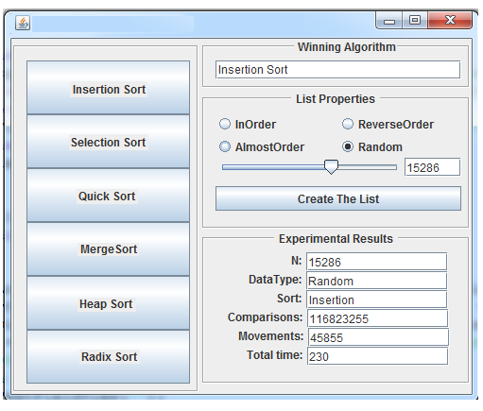
Experimental Results | ArraySize | 15286
List Property: InOrder | Comparisons | Movements | Total Time
Insertion Sort | 0 | 0 | 3ms
Selection Sort | 116,838,540 | 0 | 57ms
Quick Sort | 228, 191 | 0 | 1ms
Merge Sort | 104,727 | 212,906 | 4ms
Heap Sort | 698,825 | 349,413 | 9ms
Radix Sort | 15,285 | 152,865 | 4ms

Experimental Results | ArraySize
List Property: ReverseOrder | Comparisons | Movements | Total Time
Insertion Sort | 116,823,255 | 116, 823,255 | 168ms
Selection Sort | 116,838,540 | 58,423,092 | 77ms
Quick Sort | 228,192 | 7,643 | 1ms
Merge Sort | 108,179 | 212,906 | 2ms
Heap Sort | 540,905 | 172,710 | 6ms
Radix Sort | 15,285 | 152,865 | 3ms

Experimental Results | ArraySize
List Property: AlmostOrder | Comparisons | Movements | Total Time
Insertion Sort | 17,315,712 | 17,315,712 | 13ms
Selection Sort | 116,838,540 | 124,257 | 77ms
Quick Sort | 395,011 | 41,940 | 4ms
Merge Sort | 130,366 | 212,906 | 4ms
Heap Sort | 563,945 | 206,160 | 6ms
Radix Sort | 15,285 | 152,865 | 1ms

Experimental Results | ArraySize
List Property: RandomOrder | Comparisons | Movements | Total Time
Insertion Sort | 58,237,365 | 58,237,365 | 37ms
Selection Sort | 116,838,540 | 138,649 | 77ms
Quick Sort | 309,787 | 51,796 | 5ms
Merge Sort | 193,345 | 212,906 | 5ms
Heap Sort | 558,734 | 191,665 | 8ms
Radix Sort | 15,285 | 152,865 | 3ms

